Test Plan
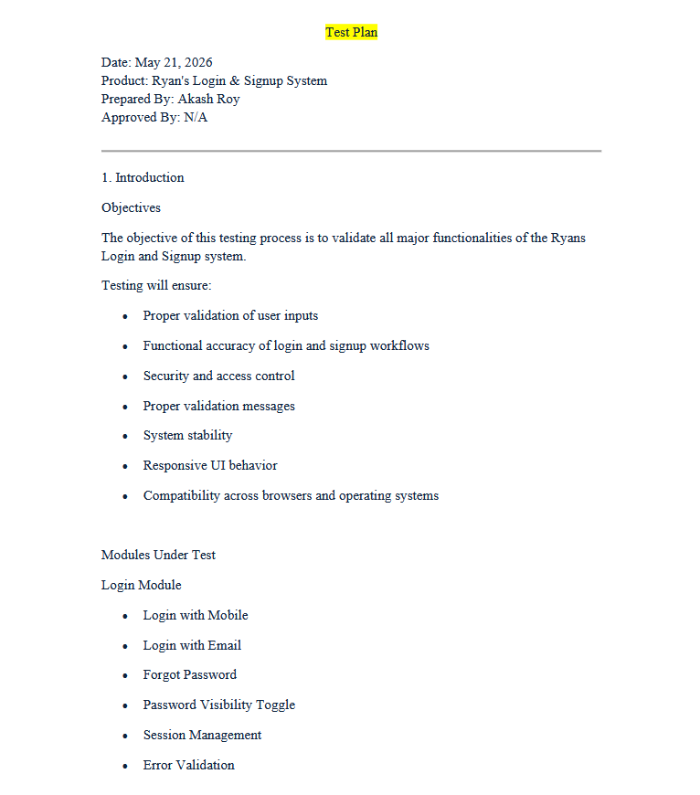

To check the full report, click on the Drive link: https://drive.google.com/file/d/1T-yuqwGqEZrt-fZbXpEpWjgpdGSJf3XY/view?usp=sharing

Diagram
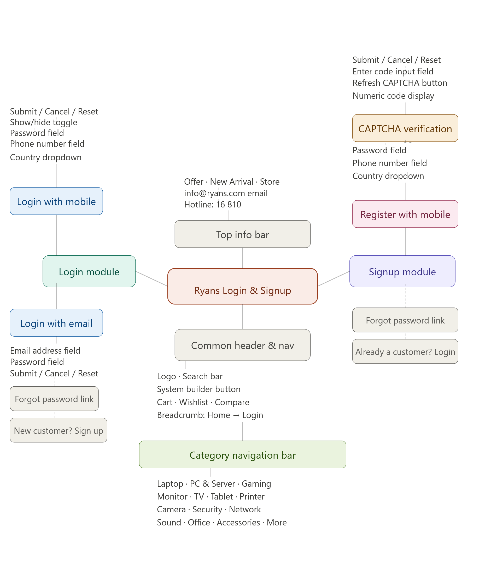
Diagram

Test Report
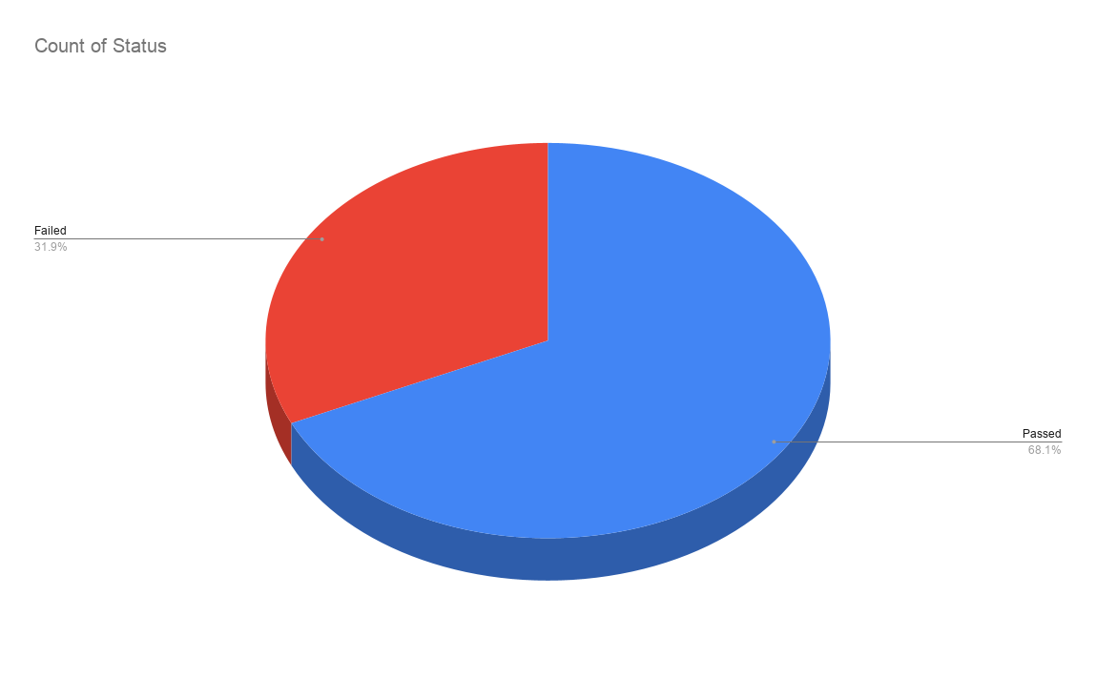
Test Case Report
Project Name | Ryans.com
Module Name | Account
Feature Name | Sign Up and Sign In
Test Case Version | 1
Written By | Akash Roy
Executed By | Akash Roy
Reviewed By | N/A
TEST EXECUTION REPORT

Test Case | PASS | FAIL | Not Executed | Out Of Scope | Total TC
 | 62 | 29 | 0 | 0 | 91
Grand Total | 62 | 29 | 0 | 0 | 91

LIMITATIONS
Documents |  |  |  | Received | Useful
PRD |  |  |  | No | No
USER STORY |  |  |  | No | No

 | Testing Type in Scope | Description

 | Functional Testing | This type of testing verifies whether the system functions according to the requirements.
 | Integration Testing | Testing integrated modules together to verify combined functionality.
 | Negative Testing | Testing the system with invalid inputs and incorrect data to verify proper validation.
 | Usability Testing | Testing the application from the user friendliness perspective.
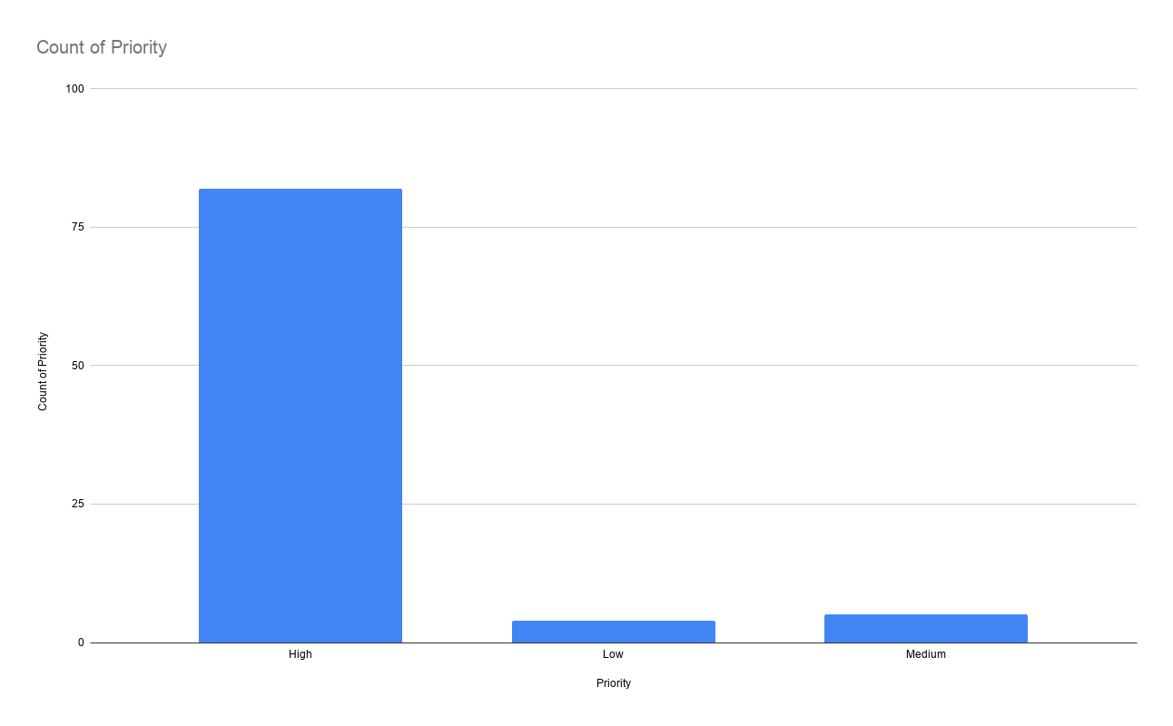
 | Browser Compatibility Testing | Verifying that the application works properly across different browsers and devices.
 | Boundary Value Testing | Testing using minimum and maximum input values to validate field limits.
 | Regression Testing | Ensuring that existing functionality works properly after changes or updates.
 | Security Testing | Verifying protection against SQL Injection, XSS attacks, and malicious inputs.

Test Report Summary: Based on the provided graphs, the following summary can be prepared: 1. Priority-wise Test Case Distribution The bar chart shows that most of the test cases were marked as High Priority. High Priority: Approximately 82 test cases Medium Priority: Approximately 5 test cases Low Priority: Approximately 4 test cases Analysis The testing process mainly focused on critical and important functionalities. Very few test cases were categorized as medium or low priority. This indicates that the project emphasized validating core system features and major user operations. 2. Test Execution Status The pie chart represents the overall execution result of the test cases. Passed: 68.1% Failed: 31.9% Analysis A majority of the test cases passed successfully. However, more than one-third of the tests failed, which indicates that several issues or defects are still present in the system. The failed cases should be reviewed and fixed before final deployment or release. Overall Conclusion: The testing process concentrated primarily on high-priority functionalities, ensuring that the most critical features were evaluated thoroughly. Although most test cases passed successfully, the failure rate remains significant and requires further debugging, issue fixing, and retesting to improve system stability and reliability before production release.

Bug Analysis with Jira
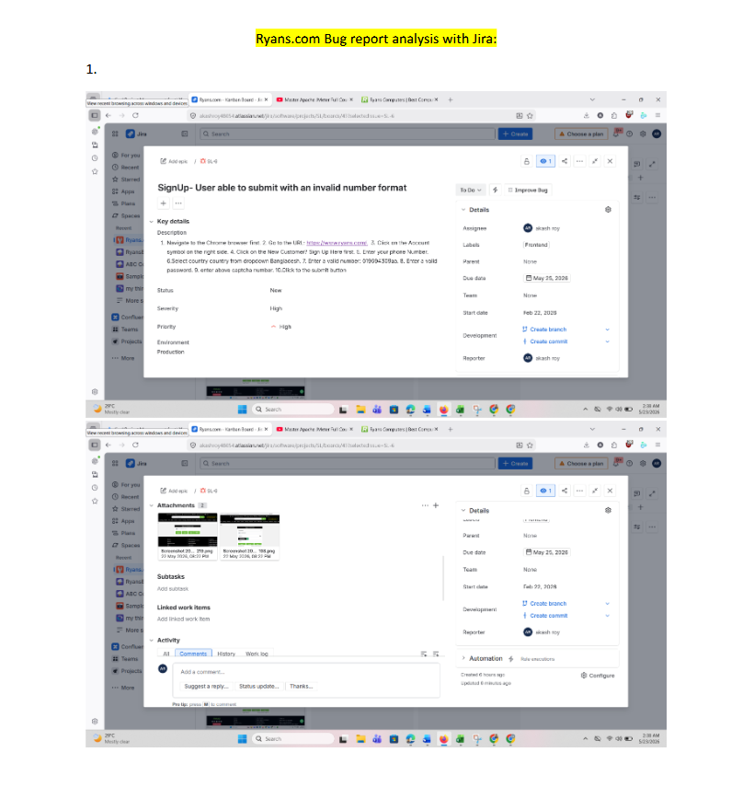

To check the full report, click on the Drive link: https://drive.google.com/file/d/1azKI9l0Xi_WqGv50SDu4aBDnB1iM-SD1/view?usp=sharing

